Sheet1
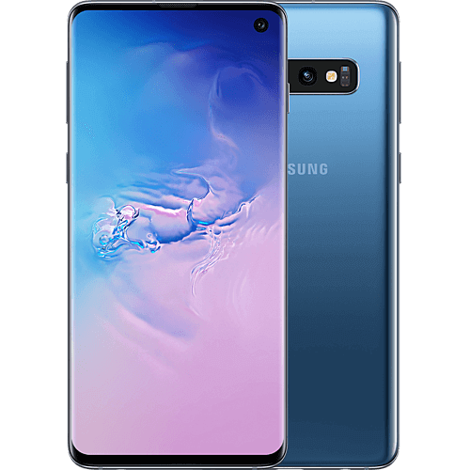
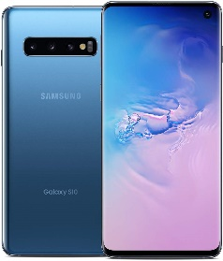

Samsung Galaxy S10e Factory Unlocked Phone with 128GB, Prism Blue |  | Samsung Galaxy S10 Factory Unlocked Phone with 128GB, Prism Blue |  | Samsung Galaxy S10+ Plus 128GB Smart Phone, Prism Blue
 | Price= $749.99 | Price + Shipping : $569.00 |  | Price: $999.99

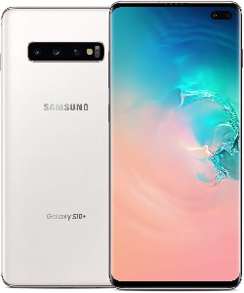

Samsung Galaxy S10e Factory Unlocked Phone with 256GB, Prism Blue - SM-G970UZBEXAA |  | Samsung Galaxy S10 Factory Unlocked Phone with 512GB, Prism Blue |  | Samsung Galaxy S10+ Plus Factory Unlocked Phone with 128GB, Prism White
 | Price: $654.49 | Price: $1,149.99 |  | Price: $990.00

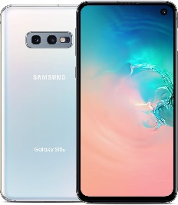

Samsung Galaxy S10e Factory Unlocked Phone with 128GB, Prism White |  | Samsung Galaxy S10 Factory Unlocked Phone with 128GB, Prism White |  | Samsung Galaxy S10+ Plus Unlocked Phone with 512GB, Ceramic White
 | Price: $742.00 | Price: | $891.00 | Price: $1124.49


Samsung Galaxy S10e Factory Unlocked Phone with 256GB, Prism White |  | Samsung Galaxy S10 Factory Unlocked Phone with 512GB, Prism White |  | Samsung Galaxy S10+ Plus Factory Unlocked Phone with 1TB, Ceramic White
 | Price: $849.99 | Price: $1.149.99 |  | Price: $1,599.99
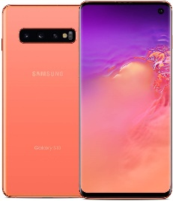
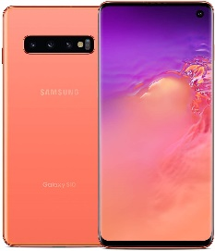

Samsung Galaxy S10e Factory Unlocked Phone with 128GB, Flamingo Pink - SM-G970UZIAXAA |  | Samsung Galaxy S10 Factory Unlocked Phone with 128GB, Flamingo Pink |  | Samsung Galaxy S10+ Plus Factory Unlocked Phone with 128GB, Flamingo Pink - SM-G975UZIAXAA
 | Price + Shipping $1,089.99 | Price: $899.99 |  | Price: $999.99
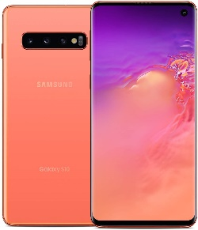
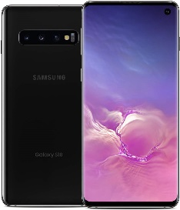
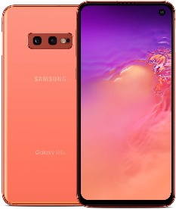

Samsung Galaxy S10e Factory Unlocked Phone with 256GB, Flamingo Pink |  | Samsung Galaxy S10 Factory Unlocked Phone with 512GB, Flamingo Pink |  | Samsung Galaxy S10+ Plus Phone with 128GB - Prism Black
 | Price + Shipping $1,089.99 | Price: $949.38 |  | Price: $999.99
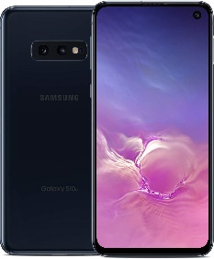


Samsung Galaxy S10e Factory Unlocked Phone with 128GB, Prism Black |  | Samsung Galaxy S10 Factory Unlocked Phone with 128GB - Prism Black |  | Samsung Galaxy S10+ Plus Factory Unlocked Phone with 512GB, Ceramic Black
 | Price: $749.99 | Price: $899.99 |  | Price: $1,249.99



Samsung Galaxy S10e Factory Unlocked Phone with 256GB, Prism Black - SM-G970UZKEXAA |  | Samsung Galaxy S10 Factory Unlocked Phone with 512GB, Prism Black |  | Samsung Galaxy S10+ Plus Factory Unlocked Phone with 1TB, Ceramic Black
 | Price: $849.99 | Price: $1,149.99 |  | Price: $1,599.99

